Calculator
INPUTS | Minimum | Middle | Maximum | Reference Notes - Only for Understanding
Number of Production Images | 10 |  | 500 | Runtime complexity
Engineering Team Size | 5 |  | 200 | Coordination overhead
Remediation Frequency | Monthly | Monthly | Quarterly | Security operational pressure
Release Cadence | Biweekly | Monthly | Continuous | Delivery pressure

Background Scoring & Logic

Image Weight
0–25 | 1
26–100 | 2
101–250 | 3
251–500 | 4

Engineering Weight
1–10 | 1
11–50 | 2
51–100 | 3
100+ | 4

Remediation Weight
Quarterly | 1
Monthly | 2
Monthly | 3

Release Cadence Weight
Monthly | 1
Biweekly | 2
Continuous | 3

1 | Burden Score = {(Image Weight × 0.4) + (Engineering Weight × 0.2) + (Remediation Weight × 0.2) + (Release Weight × 0.2)} × 100 |  | > | Runtime Complexity 0 –120 -> Low: Small stable runtimes with limited inherited complexity 121–220 -> Moderate: Growing container adoption with increasing remediation overhead 221–320 -> High: Large runtime sprawl with frequent vulnerability management cycles 321+ -> Extreme: High-frequency enterprise delivery with significant inherited operational burden

2 | Burden Reduction = IF Burden Score < 150 then 70%, elseif 150–250 then 82% elseif 250–350 then 92% elseif 350+ then 97)%

Runtime Complexity | Vulnerability Reduction | Patch Cycle Reduction | Secure Release Improvement | Runtime Footprint Reduction | Estimated Engineering Time Lost To Vulnerability Management | Engineering Recovery
Low | 70–80% | 25–35% | 1.5–2x | 40–55% | 5% | ~100–400 hrs/year
Moderate | 80–88% | 40–55% | 2–3x | 55–70% | 8% | ~400–1,200 hrs/year
High | 88–95% | 55–70% | 3–4x | 70–85% | 12% | ~1,200–3,500 hrs/year
Extreme | 95–97% | 70–85% | 4–5x | 85–95% | 18% | ~3,500–8,000+ hrs/year

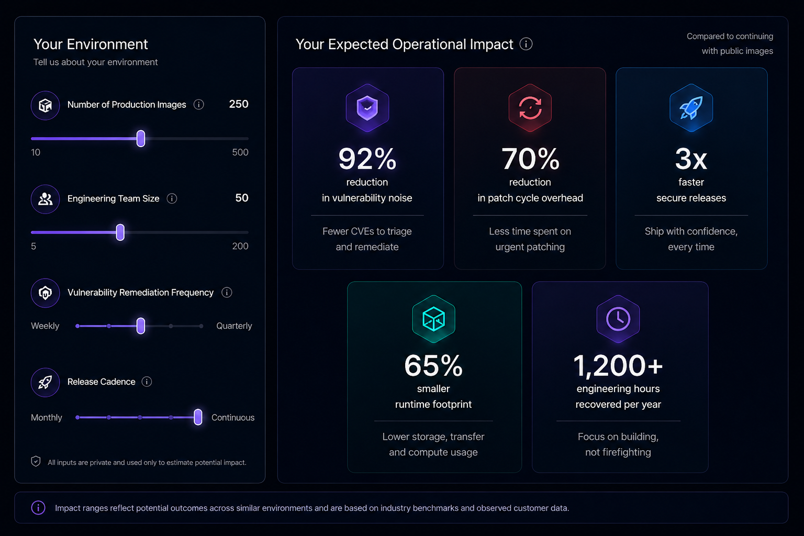
RESULTS
1. Vulnerability Noise Reduction %
2. Patch Cycle Overhead Reduction %
3. Faster Secure Releases
4. Runtime Footprint Reduction %
5. Engineering Hours Recovered

